Silent1 Order Form
Silent1 Door Kit – Order Form Please complete the third column (Customer Input) with all required project information. After completing the form, save the file and send it to info@iddparts.co.uk. Make sure all measurements are entered in millimetres (mm). For accessories, please enter YES or NO.

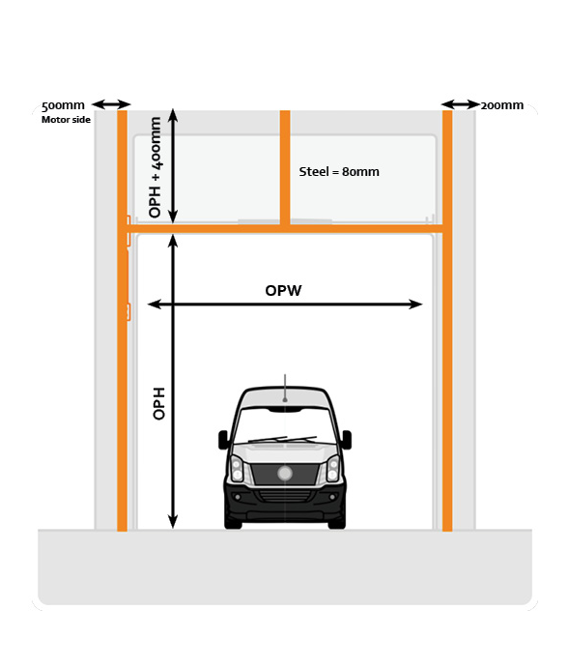
 |  | Customer Input
System | Choose: Normal lift / High lift / Vertical lift | High Lift
Daylight width (mm) | Maximum 5000 mm
Daylight height (mm) | Maximum 5000 mm
Available vertical installation height (mm) | NL: OPH + 650 HL: OPH + HL + 400 VL: (2x OPH) + 330
Available horizontal installation space (mm) | NL: OPH + 1500 HL: OPH - HL + 850 VL: N/A
Panel colour outside (RAL code) | Standard: RAL 9006
Panel colour inside (RAL code) | Standard: RAL 9006
Number of glazed sections | Maximum 4 sections (no colour option)
Accessories | Enter YES or NO
40210007 - Plug-in receiver
40210004 - Transmitter 4 channel
40210005 - Transmitter 15 channel
107008012 - Slide Bolt HO
111004013 - Microswitch Slide Bolt HO
107003001 - Ventilation grille white closable
107003002 - Ventilation grille black closable
107003003 - Ventilation grille white non-closable
107003004 - Ventilation grille black non-closable

